Sheet1
Tester / handler machine database system |  |  | Questions to ask

No | Item | Days Required (Including test) | No | Question
1 | Core Application Development 1. Solution File 2. Templates a. Data Entry b. Report c. Login 3. Menu 4. Domain Login 5. Oracle Database Access | 5 | 1 | 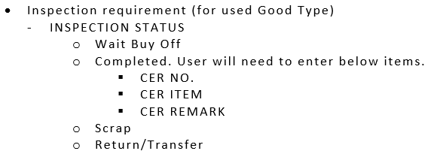 What is below portion for?
2 | BOI Upload Page (Admin) a. Add b. Edit c. Delete | 3 | 2 | Sample report for Machine Database? (Graph)
3 | Import Entry Page (Admin) a. Add b. Edit c. Delete | 3
4 | Import Entry Upload Raw File (User) | 3
5 | Import Sub Entry Page (Admin) a. Add b. Edit c. Delete | 3
6 | Additional invoice information update (Admin) a. Add b. Edit c. Delete | 3
7 | Additional invoice information update (User Upload) a. Add b. Edit c. Delete | 2
8 | Web Reports 1. BOI COMMENCEMENT REPORT 2. MACHINE DATABASE a. Graph for weekly, monthly, quarterly. 3. MACHINE INSPECTION REPORT | 8
 | Total Days | 30

